2.4 a
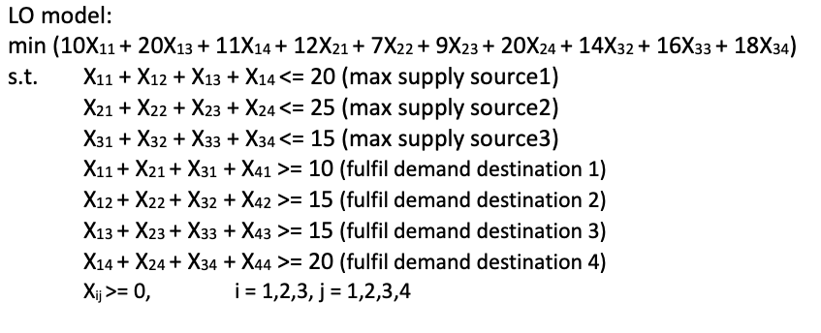
Source\destination | 1 | 2 | 3 | 4 | Supply
1 | 10 | 0 | 20 | 11 | 20
2 | 12 | 7 | 9 | 20 | 25
3 | 0 | 14 | 16 | 18 | 15
Demand | 10 | 15 | 15 | 20

Decision variables x_{ij}
Source i\destination j | 1 | 2 | 3 | 4 | Outflow
1 | 0 | 5 | 0 | 15 | 20
2 | 0 | 10 | 15 | 0 | 25
3 | 10 | 0 | 0 | 5 | 15
Inflow | 10 | 15 | 15 | 20

Objective | 460 |  |  | LO model: min (10X11 + 20X13 + 11X14 + 12X21 + 7X22 + 9X23 + 20X24 + 14X32 + 16X33 + 18X34) s.t. X11 + X12 + X13 + X14 <= 20 (max supply source1) X21 + X22 + X23 + X24 <= 25 (max supply source2) X31 + X32 + X33 + X34 <= 15 (max supply source3) X11 + X21 + X31 + X41 >= 10 (fulfil demand destination 1) X12 + X22 + X32 + X42 >= 15 (fulfil demand destination 2) X13 + X23 + X33 + X43 >= 15 (fulfil demand destination 3) X14 + X24 + X34 + X44 >= 20 (fulfil demand destination 4) Xij >= 0, i = 1,2,3, j = 1,2,3,4

Color coding: | PARAMETERS
 | FORMULAS
 | DECISION VARIABLES
 | OBJECTIVE

2.4 b
Source\destination | 1 | 2 | 3 | 4 | Supply
1 | 10 | 0 | 20 | 11 | 20
2 | 12 | 7 | 9 | 20 | 25 |  |  |  |  |  | LO model: min (10X11 + 20X13 + 11X14 + 12X21 + 7X22 + 9X23 + 20X24 + 14X32 + 16X33 + 18X34) s.t. X11 + X12 + X13 + X14 <= 20 (max supply source1) X21 + X22 + X23 + X24 <= 25 (max supply source2) X31 + X32 + X33 + X34 <= 15 (max supply source3) X11 + X21 + X31 + X41 >= 10 (fulfil demand destination 1) X12 + X22 + X32 + X42 >= 15 (fulfil demand destination 2) X13 + X23 + X33 + X43 >= 15 (fulfil demand destination 3) X14 + X24 + X34 + X44 >= 20 (fulfil demand destination 4) Xij >= 0, i = 1,2,3, j = 1,2,3,4 X𝑖𝑗≤𝑀ij 𝑧i = 1,2,3, j = 1,2,3,4 (define a binary decision variable to indicate whether this transportation arc is used)
3 | 0 | 14 | 16 | 18 | 15
Demand | 10 | 15 | 15 | 20
 |  |  |  |  |  | Big M | 10000

Decision variables x_{ij} |  |  |  |  |  | Decision binary variables z_{ij}, indicating whether this transportation arc was used
Source i\destination j | 1 | 2 | 3 | 4 | Outflow | Source i\destination j | 1 | 2 | 3 | 4
1 | 0 | 0 | 0 | 20 | 20 | 1 | 0 | 0 | 0 | 1
2 | 0 | 10 | 15 | 0 | 25 | 2 | 0 | 1 | 1 | 0
3 | 10 | 5 | 0 | 0 | 15 | 3 | 1 | 1 | 0 | 0
Inflow | 10 | 15 | 15 | 20 |  | Sum of addtion decision | 5

 |  |  |  |  |  | Hold value with Big M
Objective | 995 |  |  |  |  | Source i\destination j | 1 | 2 | 3 | 4
 |  |  |  |  |  | 1 | 0 | 0 | 0 | 10000
Color coding: | PARAMETERS |  |  |  |  | 2 | 0 | 10000 | 10000 | 0
 | FORMULAS |  |  |  |  | 3 | 10000 | 10000 | 0 | 0
 | DECISION VARIABLES
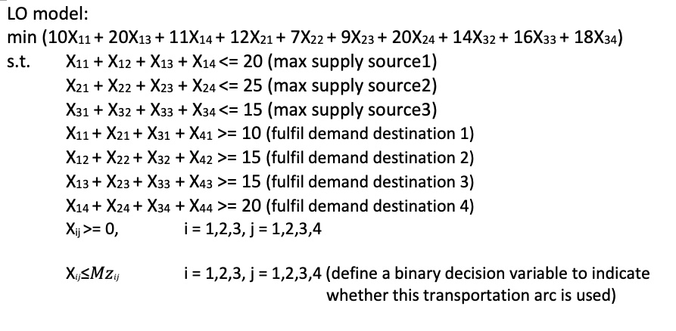
 | OBJECTIVE

